Pay Information Levels
 NJC pay information levels

 |  |  | Spinal Column Point Range
Level |  | Band | Mainstream Schools | Special Schools
Level 1 |  | A | 4 - 7 | 6 - 9
Cleaners |  | B | 5 - 8 | 7 - 10
Swimming Pool |  | C | 6 - 9 | 8 - 11
 | MDSA | D | 7 - 10 | 9 - 12

Level 2 |  | A | 10 - 13 | 12 - 15
Senior Midday |  | B | 11 - 14 | 13 - 16
 |  | C | 12 - 15 | 14 - 17
 |  | D | 13 - 16 | 15 - 18

Level 3 |  | A | 15 - 18 | 17 - 20
Site Agent | SA1 | B | 16 - 19 | 18 - 21
Behaviour Support | SA2 | C | 17 - 20 | 19 - 22
 | SA3 | D | 18 - 21 | 20 - 23

Level 4 |  | A | 21 - 24 | 23 - 26
 |  | B | 22 - 25 | 24 - 27
 |  | C | 23 - 26 | 25 - 28
 |  | D | 24 - 27 | 26 - 29
 |  | E | 25 - 28 | 27 - 30

Published pay scales
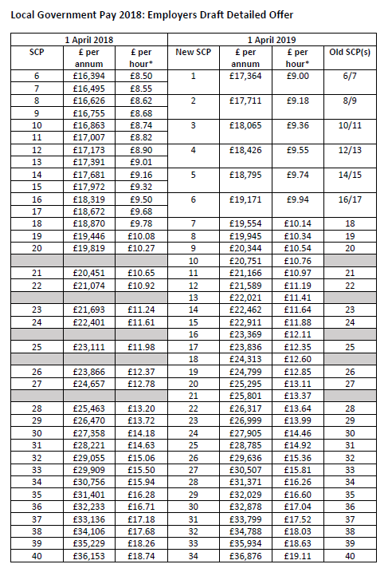

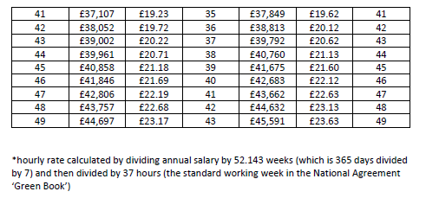

http://intranet.centralbedfordshire.gov.uk/images/CBC%20Salary%20Scales%20_April%202018_tcm8-57883.pdf

